Sheet1
Scene No. | 3
Quest Title | 印记
Quest Log | 进入玩具森林南玩具雕塑的附近回复莫古
Map No. | 21
 | 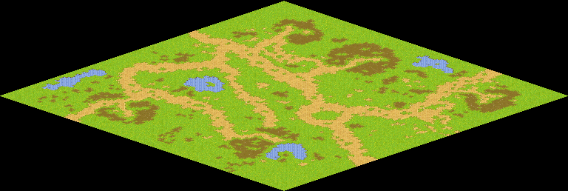
NPC No.
Condition
Dialog
Select
Result | 1 : Scene 0004

NPC No.
Condition
Dialog
Select
Result

ScriptFile | Qlog-0040-003.scr

